Turning Counts
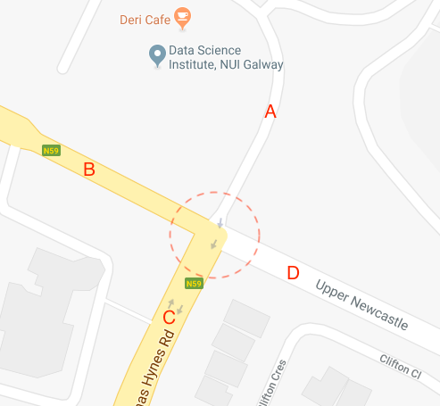
...
 |  |  |  |  |  |  |  |  |  |  |  |  |  | PCL: Pedal Cycle
 |  |  |  |  |  |  |  |  |  |  |  |  |  | MCL: Motorcycle
 |  |  |  |  |  |  |  |  |  |  |  |  |  | Car: Cars, 'people carriers' and other passenger vehicles
 |  |  |  |  |  |  |  |  |  |  |  |  |  | Taxi : Taxi Vehicles
 |  |  |  |  |  |  |  |  |  |  |  |  |  | LGV: Light Goods Vehicle; All car type delivery vans and those of the next larger carrying capacity such as transit vans.
 |  |  |  |  |  |  |  |  |  |  |  |  |  | OGV1:(Ordinary Goods Vehicle 1) All larger rigid vehicles with two or three axles including larger ambulances with double rear wheels, tractors (without trailers), road rollers for tarmac pressing, box vans, similar large vans and middle-sized trucks which have double rear wheels
 |  |  |  |  |  |  |  |  |  |  |  |  |  | OGV 2 (Ordinary Goods Vehicle 2) all rigid vehicles with four or more axles and all articulated vehicles. Also included in this class are OGV1 goods vehicles towing a caravan or trailer.
 |  |  |  |  |  |  |  |  |  |  |  |  |  | CDB: City Bus
 |  |  |  |  |  |  |  |  |  |  |  |  |  | BEB: battery electric bus
 |  |  |  |  |  |  |  |  |  |  |  |  |  | OB : Ordinary Bus
 |  |  |  |  |  | A => B |  |  |  |  |  |  |  |  |  |  |  | A => C
OGV2 | CDB | BEB | OB | TOT | PCU | PCL | MCL | CAR | TAXI | LGV | OGV1 | OGV2 | CDB | BEB | OB | TOT | PCU | PCL | MCL
0 | 0 | 0 | 0 | 0 | 0 | 0 | 0 | 0 | 0 | 0 | 0 | 0 | 0 | 0 | 0 | 0 | 0 | 0 | 0
0 | 0 | 0 | 0 | 0 | 0 | 0 | 0 | 0 | 0 | 0 | 0 | 0 | 0 | 0 | 0 | 0 | 0 | 0 | 0
0 | 0 | 0 | 0 | 0 | 0 | 0 | 0 | 0 | 0 | 0 | 0 | 0 | 0 | 0 | 0 | 0 | 0 | 0 | 0
0 | 0 | 0 | 0 | 0 | 0 | 0 | 0 | 0 | 0 | 0 | 0 | 0 | 0 | 0 | 0 | 0 | 0 | 1 | 0
0 | 0 | 0 | 0 | 0 | 0 | 0 | 0 | 0 | 0 | 0 | 0 | 0 | 0 | 0 | 0 | 0 | 0 | 1 | 0
0 | 0 | 0 | 0 | 0 | 0 | 0 | 0 | 0 | 0 | 0 | 0 | 0 | 0 | 0 | 0 | 0 | 0 | 0 | 0
0 | 0 | 0 | 0 | 0 | 0 | 0 | 0 | 0 | 0 | 0 | 0 | 0 | 0 | 0 | 0 | 0 | 0 | 0 | 0
0 | 0 | 0 | 0 | 0 | 0 | 0 | 0 | 1 | 0 | 0 | 0 | 0 | 0 | 0 | 0 | 1 | 1 | 0 | 0
...

